Cebu Philippines
SunStar Cebu - As dengue cases in Cebu City rose to 223 as... | Facebook
Month | 2019 | 2020 (Covid Year) | 2021 (Covid Year) | 2022 | 2023
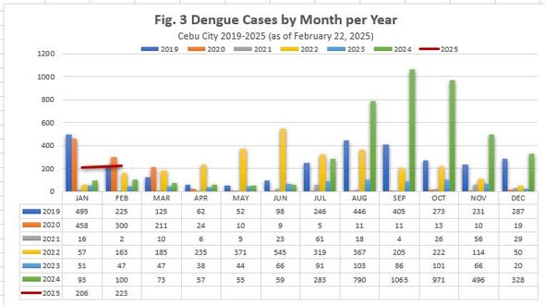
Jan | 495 | 458 | 16 | 57 | 51
Feb | 225 | 300 | 2 | 163 | 47
Mar | 125 | 211 | 10 | 185 | 47
Apr | 62 | 24 | 6 | 235 | 38
May | 52 | 10 | 5 | 371 | 44
Jun | 98 | 9 | 23 | 545 | 66
Jul | 246 | 5 | 61 | 319 | 91
Aug | 446 | 11 | 18 | 367 | 103
Sep | 405 | 11 | 4 | 205 | 86
Oct | 273 | 13 | 26 | 222 | 101
Nov | 231 | 10 | 56 | 114 | 66
Dec | 287 | 19 | 29 | 50 | 20

Chennai India
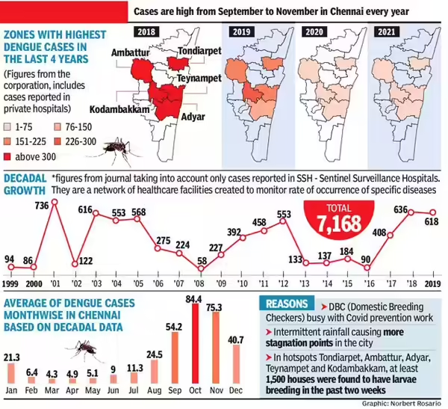
Dengue Cases in Chennai: Keep pots & pans closed, dengue cases up | Chennai News - Times of India
Dengue Cases-Chennai City Alone
Month | Avg. Dengue Cases (2011-2021)

Jan | 21.3
Feb | 6.4
Mar | 4.3
Apr | 4.9
May | 5.1
Jun | 9
Jul | 11.3
Aug | 24.5
Sep | 54.2
Oct | 84.4
Nov | 75.3
Dec | 40.7
Total | 341.4

